PO
PURCHASE ORDER

EXPORTER: |  | SHIP TO:
 |  | Pentex Trading Company
 |  | Muara, Brunei Darussalam

DESCRIPTION | QTY | UM | PRICE UNIT | TOTAL AMOUNT

Amount in Words: | Sub-total
Seven Thousand Eighty U.S Dollars Only | Others
 | Total Amount

DETAILS | OTHER INFORMATION
DATE:26/01/2018 | PACKAGING:
REFERENCE:GF162 | ORIGIN:
PAYMENT TERMS: 100% CASH ADVANCE | LOADING PORT:
SHIPMENT MODE: BY SEA | DISCHARGE PORT:
SHIPMENT TERMS: EX FACTORY

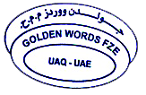
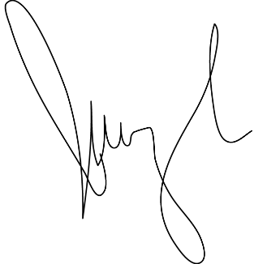
PREPARED BY: |  |  | AUTHORIZED BY:

SQ
SALES QUOTATION

EXPORTER: |  | SHIP TO:
 |  | Pentex Trading Company
REPRESENTATIVE OF IMPORTER: |  | Muara, Brunei Darussalam

DESCRIPTION | QTY | UM | PRICE UNIT | TOTAL AMOUNT

Amount in Words: | Sub-total
Seven Thousand Eighty U.S Dollars Only | Others
 | Total Amount

DETAILS | OTHER INFORMATION
DATE:26/01/2018 | PACKAGING: In Container
REFERENCE:GF162 | ORIGIN:China
PAYMENT TERMS: 100% CASH ADVANCE | LOADING PORT:Port Of Jinhua, China
SHIPMENT MODE: BY SEA | DISCHARGE PORT: Port Of Muara, Brunei Darussalam
SHIPMENT TERMS: EX FACTORY

PREPARED BY: |  |  | AUTHORIZED BY:

PI
PROFORMA INVOICE

EXPORTER: |  | SHIP TO:
 |  | Pentex Trading Company
BILL TO THE REPRESENTATIVE OF IMPORTER: |  | Muara, Brunei Darussalam

DESCRIPTION | QTY | UM | PRICE UNIT | TOTAL AMOUNT

Amount in Words: | Sub-total
Seven Thousand Eighty U.S Dollars Only | Others
 | Total Amount

DETAILS | OTHER INFORMATION
DATE:26/01/2018 | PACKAGING: In Container
REFERENCE:GF162 | ORIGIN:China
PAYMENT TERMS: 100% CASH ADVANCE | LOADING PORT:Port Of Jinhua, China
SHIPMENT MODE: BY SEA | DISCHARGE PORT: Port Of Muara, Brunei Darussalam
SHIPMENT TERMS: EX FACTORY

PREPARED BY: |  |  | AUTHORIZED BY:

